00_Banzai Event Toolkit Guide
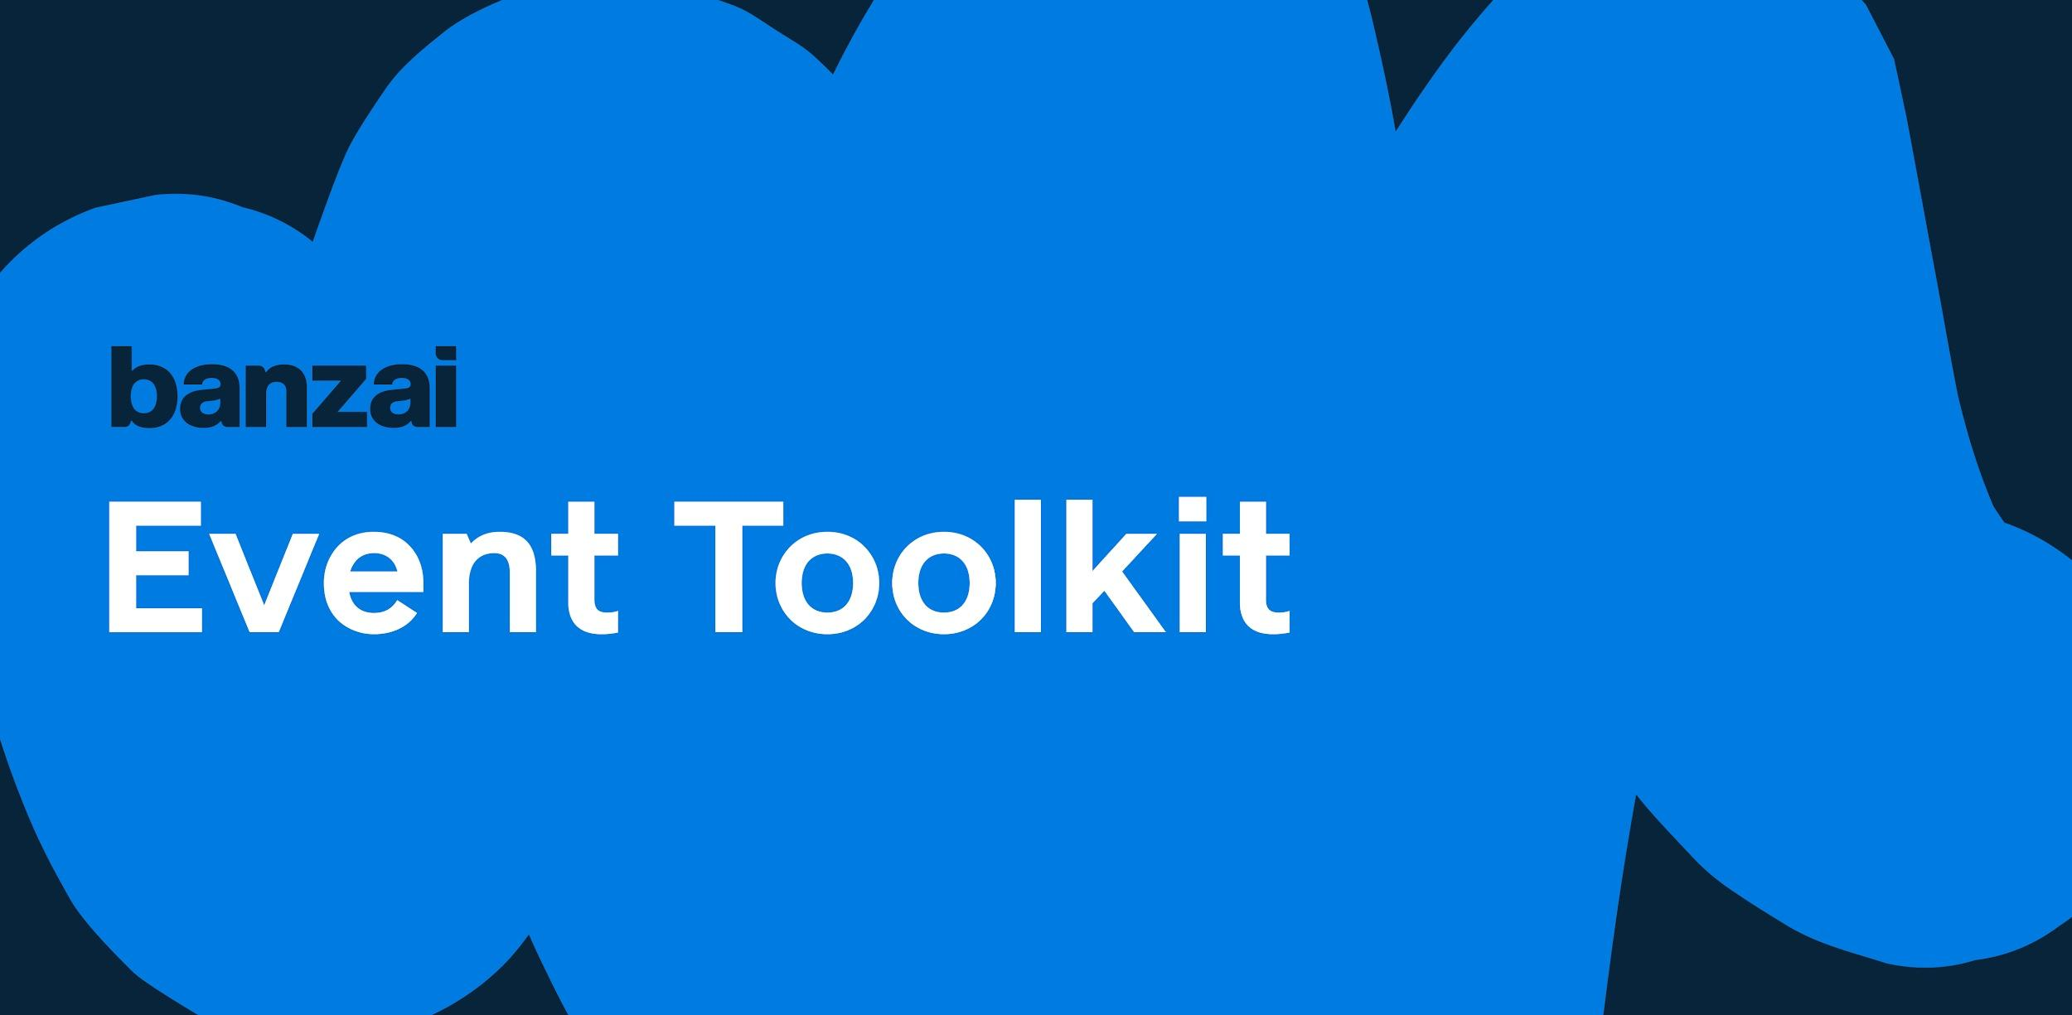
Thanks for downloading the toolkit!
So, you're planning an event and can't seem to keep all the details straight (we've been there!). Don't worry! This toolkit was made for you. This all-in-one tracker will help you plan amazing in-person and virtual events without having to worry about missing crucial details. We have thought of everything so you don't have to.

The major event components covered in this toolkit are:
•Event Goals - Use this tab to define your event goals and track them all in one place.
•Budget - Use this tab to track your budget and spending.
•Logistics - Use this tab to track all your event details including location, time, pricing, and more. Use the logistics checklist to make sure you don't miss any essential details.
•Agenda - Use this tab to track your full event agenda from when staff arrives to when doors close. Use the agenda checklist to keep track of your progress.
•Speakers - Use this tab to track all the information of your speakers including their contact details, speaker bio, and travel information.
•Marketing and Promotion - Use this tab to answer questions around your event marketing strategy and track your promotion schedule.
•Event Materials - Use this tab to track what you will need during the day of your event. This is especially handy when planning an in-person event.
•Post Event - Use this tab to track your post event follow up plan.

If you have any questions or are interested in learning more about how Banzai can support your event goals, reach out to marketing@banzai.io

- The Banzai Team

