JV 1
Journal Voucher
Dwayne W. Mauk

 |  |  |  |  | AACT Journal #
JV# |  | Date: |  |  | General Description
Acct # | Sub-Acct | Fund | Funct - Dept | Restrict | Description | DB Amount | CR Amount

102100 | 200 | 10 | 0000 | 0A | Interest - Aug | $0.10
711401 | 200 | 10 | 121011 | 2 | Interest - Aug |  | $0.10

 |  |  |  |  | Example of General Entries to STS

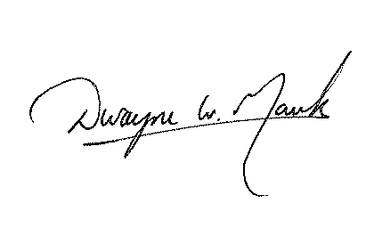
 |  |  |  |  |  | $0.10 | $0.10

