Scenarios
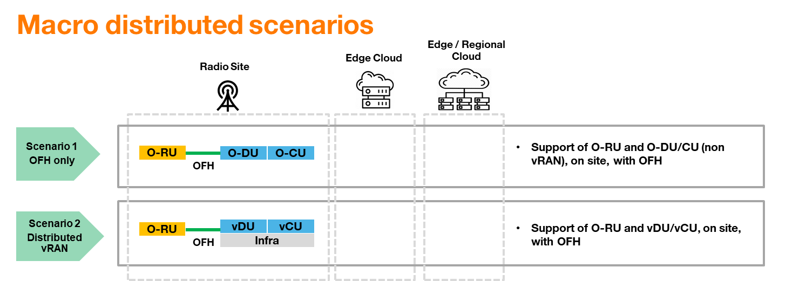
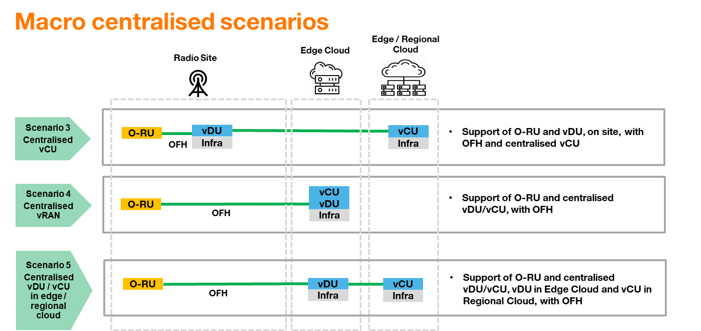
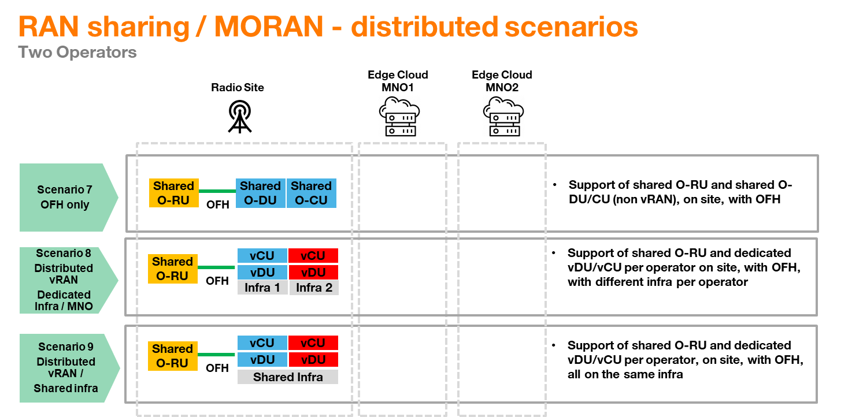
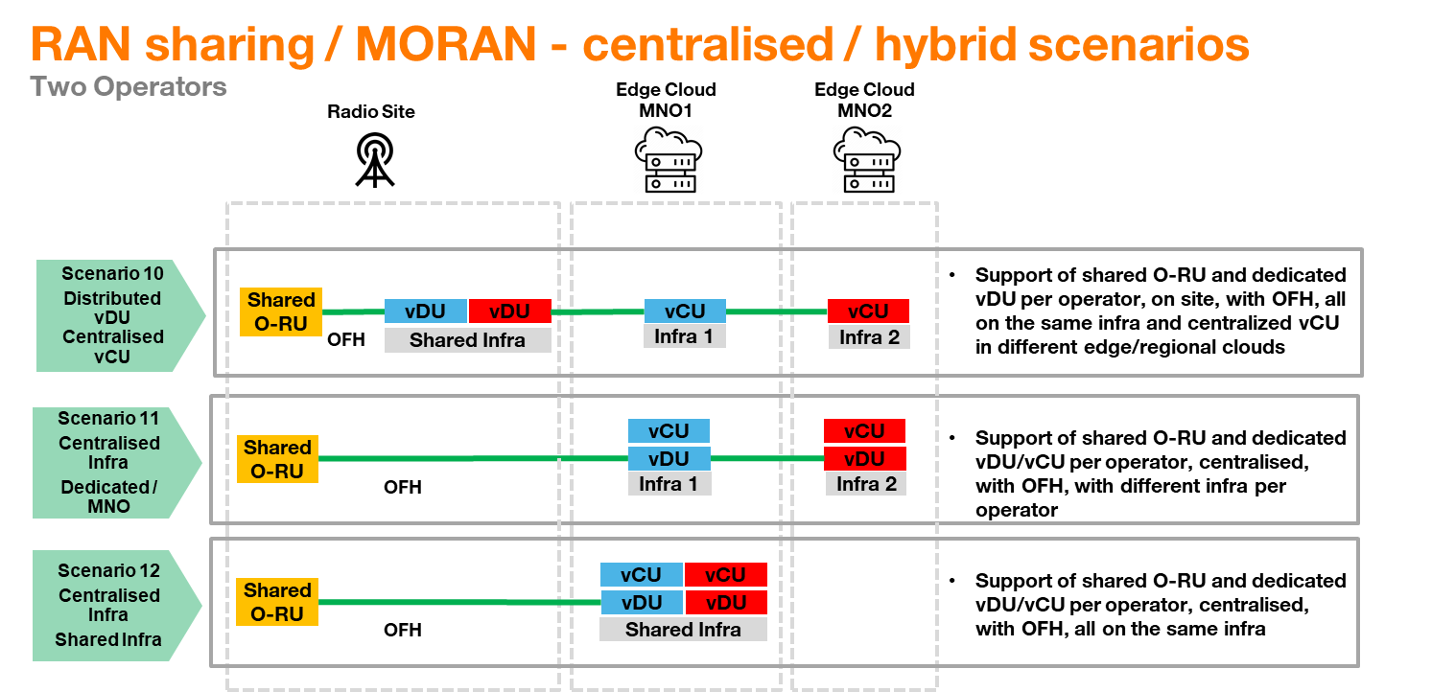
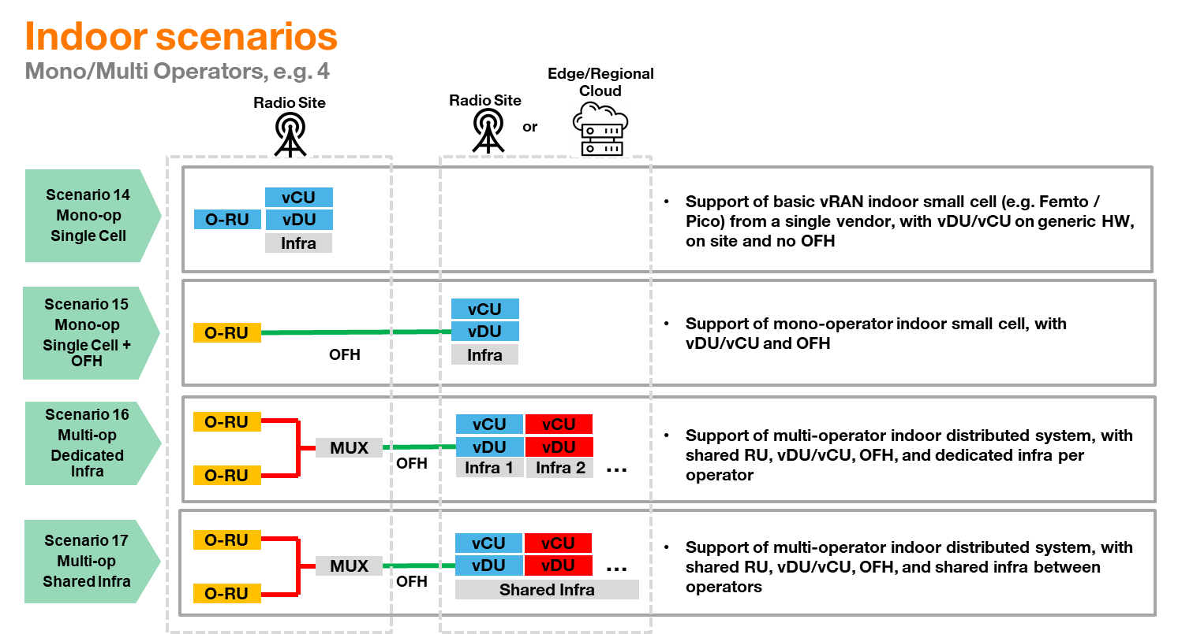
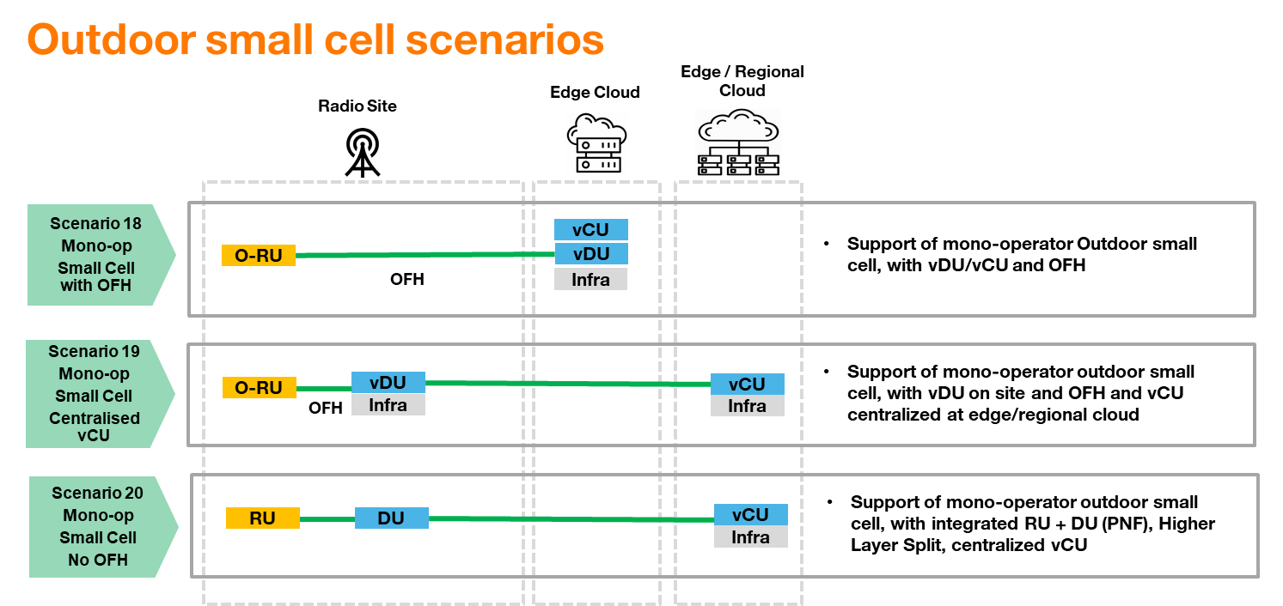
Section | Scenarios

Requirement list |  |  | Priorities
Topic | Requirement | Description | Priority level | Priority type
Macro Distributed | Scenario 1: Support of O-RU and O-DU/CU (non vRAN), on site, with OFH |  | P1 | Majority
 | Scenario 2: Support of O-RU and vDU/CU, on site, with OFH |  | P0 | Unanimity
Macro Centralised | Scenario 3: Support of O-RU and vDU, on site, with OFH and centralised vCU |  | P0 | Majority
 | Scenario 4: Support of O-RU and centralised vDU/vCU, with OFH |  | P0 | Majority
 | Scenario 5: Support of O-RU and centralised vDU/vCU, vDU in Edge Cloud and vCU in Regional Cloud, with OFH |  | P0 | Minority
RAN Sharing / MOCN | Scenario 6: Support of MOCN | Need to support several PLMN and multiple Cell Ids | P0 | Minority
RAN sharing / MORAN Distributed | Scenario 7: Support of shared O-RU and shared O-DU/CU (non vRAN), on site, with OFH |  | P1 | Majority
 | Scenario 8: Support of shared O-RU and dedicated vDU/CU per operator (on site for home operator), with OFH, with different infra per operator |  | P1 | Majority
 | Scenario 9: Support of shared O-RU and dedicated vDU/CU per operator, on site, with OFH, all on the same infra |  | P0 | Majority
RAN sharing / MORAN Centralised | Scenario 10: Support of shared O-RU and dedicated vDU per operator, on site, with OFH, all on the same infra and centralized vCU in different edge/regional clouds |  | P0 | Majority
 | Scenario 11: Support of shared O-RU and dedicated vDU/CU per operator, centralised, with OFH, with different infra per operator |  | P1 | Majority
 | Scenario 12: Support of shared O-RU and dedicated vDU/CU per operator, centralised, with OFH, all on the same infra |  | P0 | Minority
RAN sharing Management | Scenario 13: Support of a RAN sharing management framework for enabling the hosted operator to configure its remote VNFs in an independent manner. | Such a framework allows both direct configuration and/or indirect configuration of remote VNF parameters subject to an SLA negotiation and validation phase. The latter is required for minimizing the risk of conflict management for certain VNF parameters, while maintaining independence between operators. | P0 | Majority
Indoor / mono-operator | Scenario 14: Support of basic vRAN indoor small cell (e.g. Femto / Pico) from a single vendor, with vDU/vCU on generic HW, on site and no OFH |  | P1 | Majority
 | Scenario 15: Support of mono-operator indoor small cell, with vDU/vCU and OFH |  | P0 | Unanimity
Indoor / multi-operator | Scenario 16 Support of multi-operator indoor distributed system, with shared RU, with vDU/vCU, OFH, and dedicated infra per operator |  | P0 | Minority
 | Scenario 17 Support of multi-operator indoor distributed system, with shared RU, with vDU/vCU, OFH, and shared infra between operators |  | P0 | Majority
Outdoor Small Cell | Scenario 18 Support of mono-operator outdoor small cell, with vDU/vCU and OFH |  | P0 | Unanimity
 | Scenario 19: Support of mono-operator outdoor small cell, with vDU on site and OFH and vCU centralized at edge/regional cloud |  | P0 | Majority
 | Scenario 20: Support of mono-operator outdoor small cell, with integrated RU+DU (PNF), Higher Layer Split, centralized vCU |  | P0 | Majority
Legacy RAT (2G/3G) | Scenario 21: Support of Legacy RAT (e.g. 2G RAT) |  | P0 | Majority

