Invoice
LOGO
Invoice

Sender | Your Company Name |  |  |  |  |  |  | Instructions
 | Address
 | City, Postcode |  |  |  |  |  |  | How to fill out this template
 | Tel: +4470000000000

Recipient | Your Company Name
 | Address
 | City, Postcode
 | Tel: +4470000000000

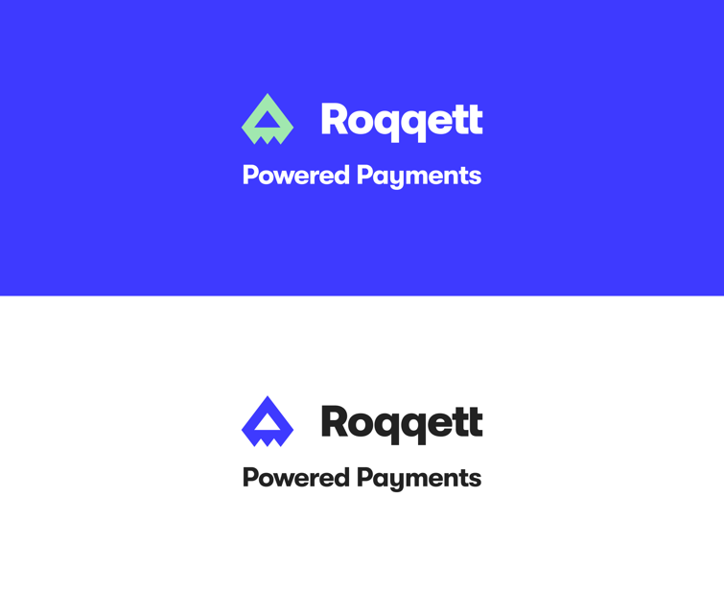
Invoice Number | Client Number | Client Reference |  | Invoice Date | Due Date
1234 | Client_10 | A00342 |  | 09/07/2021 | 08/08/2021

Additional information
Check the formula box before editing the content of any cell to see if there is a formula present. Add a new line to the table below by right clicking the numbers on the left and adding a new row.

Description |  |  | Qty | Unit | Price |  | Total
Example Service |  |  | 1 | pcs | £0.00 |  | £0.00
Example Product |  |  | 1 | pcs | £0.00 |  | £0.00
Example Product |  |  | 1 | pcs | £0.00 |  | £0.00
Example Product |  |  | 1 | pcs | £0.00 |  | £0.00

 |  |  |  |  |  | Sub Total | £0.00

 |  |  |  |  |  | Total amount due | £0.00

Registered Address |  | Contact Info |  |  |  | Payment Details
Address line 1 |  | Your name |  |  |  | Bank Name | Barclays PLC
Address line 2 |  | Your number |  |  |  | Sort-code | 00-00-00
City, Postcode |  | yourname@business.com |  |  |  | Account No. | 12345678
VAT Number |  | www.yoursite.com |  |  |  | IBAN | GB2341124098234
Company No. |  |  |  |  |  | Roqqett Link | GBHHCXX1001

