Bank Statement Calculator
Bank Statement Calculator
Purpose: The Bank Statement worksheet will calculate income based on 12 Months of Bank Statements.
Role: Underwriter

Instructions: 1. Complete the blue fields to calculate income.
Date
Loan Number
Borrower Name
Business/Co-Mingled/Personal
Name of Business
Type of Business
Bank Name
Last 4 Digits of Account Number Used
Last 4 Digits of 2nd Account (if borrower switched accounts in the last 12 months)

Account # |  | Month | Year | Deposit Sums from Bank Statements | Non-Business Related Deposits (Excluded) | Adjusted Deposits used for qualifying | NSF/ Overdrafts (if fee is charged)
 | 1 |  |  |  |  | $0.00
 | 2 |  |  |  |  | $0.00
 | 3 |  |  |  |  | $0.00
 | 4 |  |  |  |  | $0.00
 | 5 |  |  |  |  | $0.00
 | 6 |  |  |  |  | $0.00
 | 7 |  |  |  |  | $0.00
 | 8 |  |  |  |  | $0.00
 | 9 |  |  |  |  | $0.00
 | 10 |  |  |  |  | $0.00
 | 11 |  |  |  |  | $0.00
 | 12 |  |  |  |  | $0.00

 |  |  | Totals: | $0.00 | $0.00 | $0.00 | $0.00

Are deposits increasing over time?
Absent of 4 or more NSFs/Overdrafts?
Are deposits consistent with occupation?

Expense Factor Percentage
3rd Party Expense Factor Percentage (if applicable) |  |  |  |  |  | N/A

Percentage of Deposits Used
Annual Net Income (based on Expense Factor)
Monthly Net Income (based on Expense Factor)
Percentage of Business Owned
Borrower's Ownership Percentage
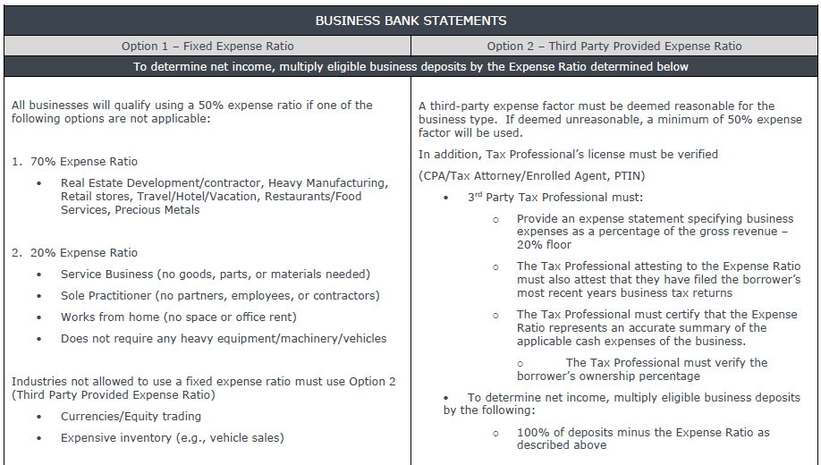

This document is limited to current Orion Lending policy and practice and should not be construed as legal advice, legal opinion, or any other advice on specific facts or circumstances. Such policy and practice is subject to change. The recipient should contact its legal counsel for legal advice. For business and professional use only. Not for consumer distribution. All loans subject to approval. Certain conditions and fees apply. Orion Lending is a registered DBA of American Financial Network, Inc. NMLS ID# 237341.

