Instructions
Instructions
PURPOSE: The FLPBIS School Team Coaching Skills Survey is intended to measure Tier 1 PBIS team skills relative to the FLPBIS Coaching Framework (below) and completed only by teams already trained in and implementing schoolwide PBIS. The survey contains 28 items across the 3 critical coaching domains. The survey was developed based on best practices outlined in the literature. The results are not intended for evaluative purposes.
OUTCOMES: District: The survey results are intended to be used by PBIS District Coordinators and leadership teams to identify Tier 1 PBIS school teams’ strengths and areas needing support. The results should drive district strategic planning and the implementation of targeted professional learning to increase practical skills and build school-level coaching capacity. School: Administrators and PBIS school team use the survey results to assess their team’s capacity to support and monitor on-going Tier 1 PBIS practices and implementation fidelity.
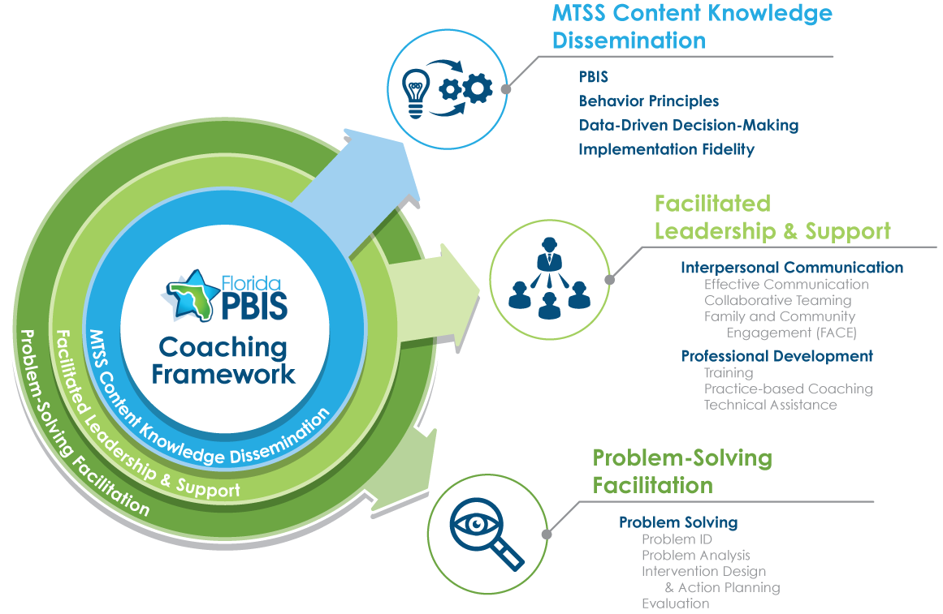

INSTRUCTIONS: This Excel Spreadsheet for the FLPBIS SCHOOL TEAM COACHING SKILLS SURVEY has three tabs at the bottom.

1. Tier 1 PBIS school team completes the survey together as a team.
a. Click on the “Data Entry” tab.
b. Select the response (3, 2, 1, 0) that most accurately reflects the team’s collective skill level for each item using the scoring criteria provided next to items 1-28. Do not skip items.
2. Upon completion, review the generated graphs on the "Graphs" tab for each coaching domain to determine steps to address low scoring items and submit a copy of the completed survey to the PBIS DC.
3. Note that the "Graphs" tab can be printed for a hard copy.
Suggested Citation: Florida’s Positive Behavioral Interventions & Supports Project (2021). Positive Behavior Interventions and Supports (PBIS) School Coaching Skills Survey. University of South Florida.

Graphs
FLPBIS SCHOOL TEAM COACHING SKILLS SURVEY GRAPHS
Optimizing (3) | 0.0%
Operationalizing (2) | 0.0%
Emerging/ Developing (1) | 0.0%
Not Started (0) | 0.0%
Spaces Left Blank | 100.0%
Optimizing (3) | 0.0%
Operationalizing (2) | 0.0%
Emerging/ Developing (1) | 0.0%
Not Started (0) | 0.0%
Spaces Left Blank | 100.0%
Effective Communication & Collaborative Teaming
Optimizing (3) | 0.0%
Operationalizing (2) | 0.0%
Emerging/ Developing (1) | 0.0%
Not Started (0) | 0.0%
Spaces Left Blank | 100.0%
Optimizing (3) | 0.0%
Operationalizing (2) | 0.0%
Emerging/ Developing (1) | 0.0%
Not Started (0) | 0.0%
Spaces Left Blank | 100.0%

Summary Analysis and Action Planning
1. List the strengths of each feature based on items marked ‘Optimizing'

2. List areas needing enhancement for each feature based on items marked ‘Emerging/Developing' or 'Not Started'

3. Identify next steps for enhancing areas of need.

